C2 Form
BOILER TUBE FAILURE REPORT (C-2 FORM)
(C-2 FORM SHOULD BE SENT WITHIN 12 HOURS OF SYNCHRONISATION)

1) STATION: | NTPL | 2) UNIT No. |  | II | 3) LAST UNIT OUTAGE |  |  | Sep-19 | 4) LAST UNIT O/H |  | Aug-18
5) UNIT SHUTDOWN FROM |  | 20 | 02 | 20 |  | 16 | 15 | 9) OUTAGE HOURS |  | 42 | 30
6) WATER FILLING CLEARANCE |  | 22 | 02 | 20 |  | 00 | 15 | (ONLY DUE TO BTF) |  | hh | mm
7) CLEARANCE FOR LIGHTUP |  | 22 | 02 | 20 |  | 04 | 30 | 10) GENERATION LOSS
(AFTER REPAIR OF BTF) |  | dd | mm | yy |  | hh | mm | (ONLY DUE TO BTF) |  | MUS
8) UNIT SYNCHRONISED AT |  | 22 | 02 | 20 |  | 10 | 45
11) BTF INSPECTED BY |  | dd | mm | yy |  | hh | mm
 | BTF COMMITTEE HEAD |  |  |  |  | MTP |  |  |  | FQA
 |  | CHEMISTRY |  |  |  | OPERATION |  |  |  | O&C

BOILER TUBE FAILURE LOCATION
12) FAILED TUBE LOCATION MARKED ON UNIT MATERIAL DIAGRAM AND BOILER GENERAL ARRANGEMENT DRAWING
(CLEARLY IDENTIFYING TUBE NO., COIL NO., TUBE DIMENSION, TUBE MATERIAL AND X,Y,Z COORDINATES)
Tube dimension - D51x5 mm; SA 210 Gr. C. Tube No. - 44 Rear water wall Elevation 52 Mtr & 30 Mtr.

DESCRIPTION OF BOILER FAILED TUBES

13) PHOTOGRAPHS OF LOCATION OF FAILURE BEFORE START OF REPAIR WORK
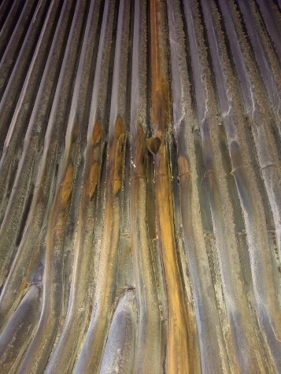
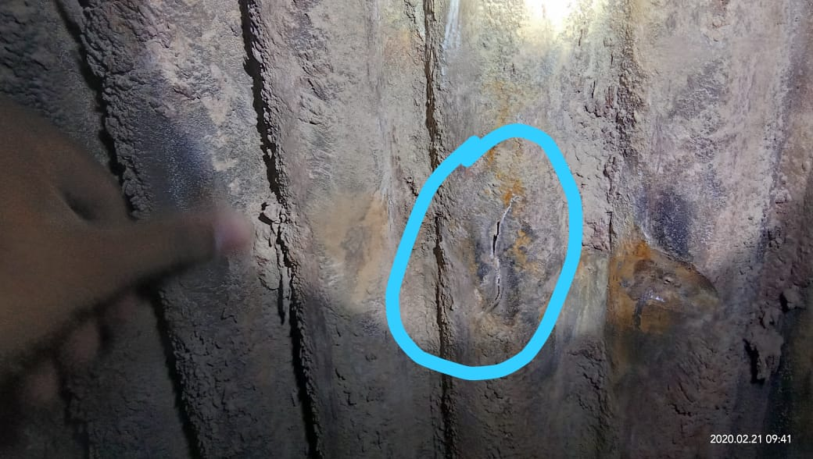

14) PHOTOGRAPHS OF PRIMARY FAILED TUBE
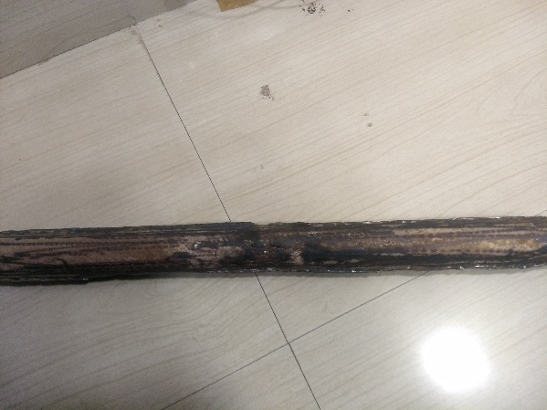

15) PHOTOGRAPHS OF REPAIRED LOCATION AFTER RESTORATION WORK
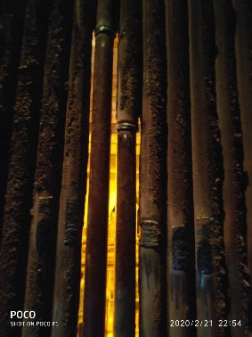
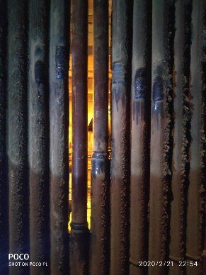

16) DETAILS OF REPAIR WORK (SPECIFY JOINT DETAILS, COIL NO./ TUBE NO. & RESTORATION WORK)
AT 30 Mtr Elevation
1 | Primary reason - Internal Tube Corrosion of Tube number 44 from Corner 2
 | Secondary damage - Tube Number 45 from Corner 2
 | NO.OF JOINTS - 4 Joints + 3 Metal Build Up

2 | Primary Reason - Fish Mouth opening of Tube number 44 from corner 2
 | Secondary damage - NIL
 | No. of Joints - 2 Joints + 1 Metal Build up

17) DETAILS OF INSPECTION OF ADJACENT AND IDENTICAL LOCATIONS
 | Thickness survey undertaken in adjacent locations. Full survey proposed in Overhaul

18) HISTORY OF WORK IN FAILED TUBE/COIL/LOCATION IN PAST FIVE YEARS

YEAR | HISTORY OF WORK (DETAILS OF WORK DONE IN THE AREA/COIL
 | LOCATION | Tube/Coil No. |  |  | No. OF TUBES REPLACED |  |  | NATURE OF FAILURE & WORK
2016 | 32 ML | Tube 30 from Corner 2 |  |  | 5 Tubes |  |  | Tube internal Corrosion

19) REMARKS

20) STATION OBSERVATION W.R.T. CAUSE OF TUBE FAILURE
Tube internal corrosion of rear waterwall tube in 44 from Corner 2. Chemical cleaning completed. Reason for failure - Possible remnants of sea water incursion during commissioning of Boiler.
COPY TO: |  | 1) DISPLAY IN UCB
 |  | 2) GM/O&M
 |  | 3) HOD (OS-BOILER)
 |  |  |  |  |  |  |  | (SIGNATURE OF BTF HEAD)
 |  |  |  |  |  |  |  | NAME:
 |  |  |  |  |  |  |  | DESIGNATION:
 |  |  |  |  |  |  |  | DATE:

